Screenshot
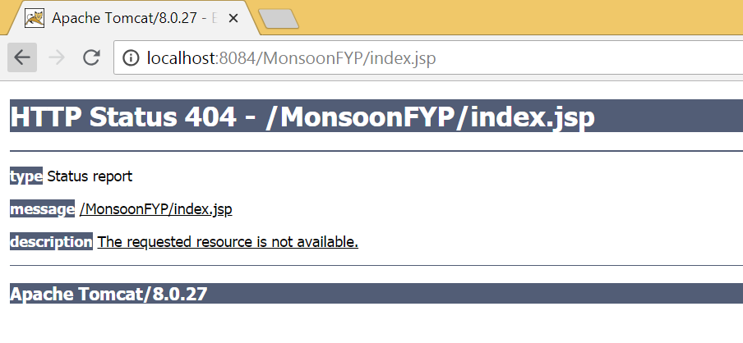
Screenshot for Test Case ID Memb 1, 2, 3, 4, 5, 7, 8:

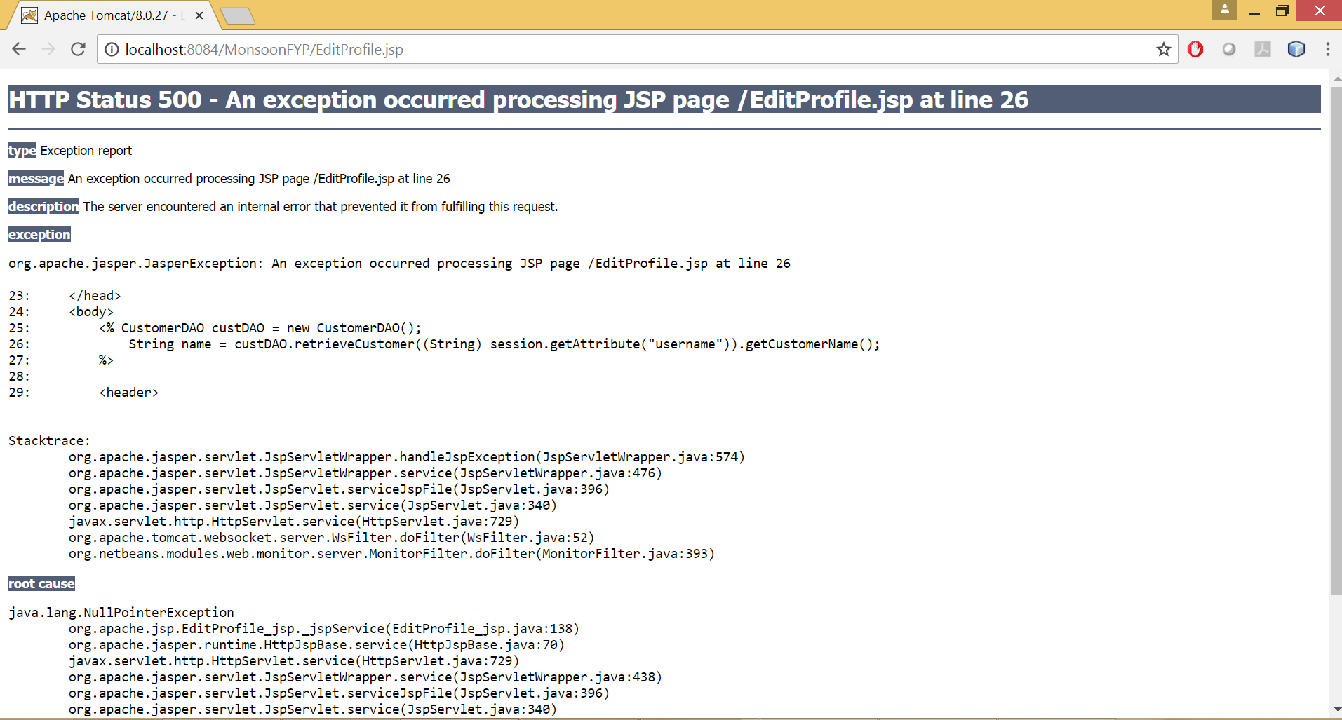

Screenshot for Test Case ID Memb 9, 11:

